Cover
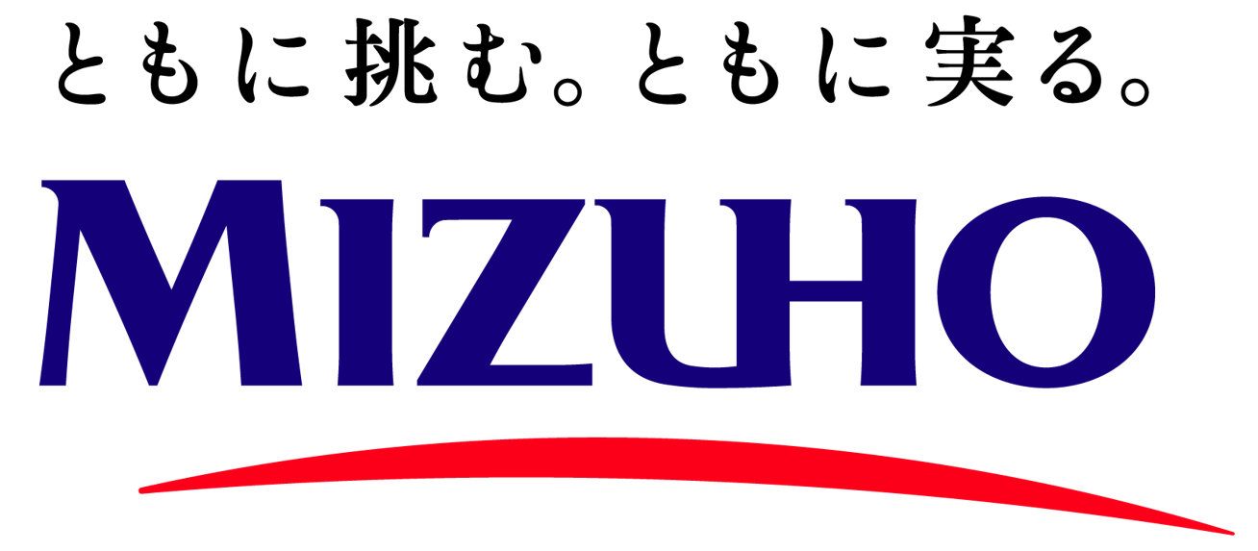


Financial Supplement for FY26 Q1
（決算時系列データ）

July 2026

Table_of_Contents
目次 / Table of Contents

 | 1 |  | 損益計算書 (年度次) | Statements of Income (Yearly) | 6 |  | 国内店預金者別預金残高 | Breakdown of Deposits (Domestic Offices)

 | 2 |  | 損益計算書 (四半期次) | Statements of Income (Quarterly) | 7 |  | 有価証券及びデリバティブ | Securities and Derivative

 | 3 |  | 貸借対照表 | Balance Sheets | 8 |  | 従業員及び店舗数 | Employees and Offices

 | 4 |  | 運用・調達 (年度次) | Source and Use of Funds (Yearly) | 9 |  | エクスポージャー | Exposure

 | 5 |  | 運用・調達 (四半期次) | Source and Use of Funds (Quarterly) | 10 |  | その他 | Others

計数の定義 / Definitions

 | 財務会計 |  |  |  | Financial Accounting
 |  | 2行合算： BK単体＋TB単体 |  |  |  | 2 Banks: BK+TB on a non-consolidated basis

組織の略称 / Abbreviations

 | FG: |  | みずほフィナンシャルグループ / Mizuho Financial Group, Inc.
 | BK: |  | みずほ銀行 / Mizuho Bank, Ltd. |  | SC: |  | みずほ証券 / Mizuho Securities Co., Ltd.
 | TB: |  | みずほ信託銀行 / Mizuho Trust & Banking Co., Ltd. |  | AM-One: |  | アセットマネジメントOne / Asset Management One Co., Ltd.

本資料における財務情報は、別途記載のない限り、日本会計基準ベースの数値（本邦の管理会計基準を含む）を使用しています。
本資料には、事業戦略及び数値目標等の将来の見通しに関する記述が含まれております。こうした記述は、本資料の作成時点において、入手可能な情報並びに将来の不確実な要因に係る仮定に基づく当社の認識を反映したものであり、将来実現する保証はなく、実際の結果と大きく異なる可能性があります。
当社の財政状態及び経営成績や投資者の投資判断に重要な影響を及ぼす可能性がある事項については、決算短信、有価証券報告書、統合報告書、Form 20-F等、当社が公表いたしました各種資料のうち最新のものをご参照ください。
当社は、東京証券取引所の定める有価証券上場規程等により義務付けられている場合を除き、新たな情報や事象の発生その他理由の如何を問わず、事業戦略及び数値目標等の将来の見通しを常に更新又は改定する訳ではなく、またその責任も有しません。 本資料に記載されている当社グループ以外の企業等に係る情報は、公開情報等から引用したものであり、かかる情報の正確性・適切性等について当社はこれを保証するものではありません。 本資料は、米国又は日本国内外を問わず、いかなる証券についての取得申込みの勧誘又は販売の申込みではありません。

Forward-looking Statements
Financial information in this presentation uses figures under Japanese GAAP unless otherwise stated (including management accounting basis).
This presentation contains statements that constitute forward-looking statements including estimates, forecasts, targets and plans. These statements reflect our current views with respect to future events and are subject to risks, uncertainties and assumptions. Such forward-looking statements do not represent any guarantee of future performance by management.
Further information regarding factors that could affect our financial condition and results of operations is included in our most recent Form 20-F and our report on Form 6-K.
We do not intend to update our forward-looking statements. We are under no obligation, and disclaim any obligation, to update or alter our forward-looking statements, whether as a result of new information, future events or otherwise, except as may be required by the rules of the Tokyo Stock Exchange.
Information on companies and entities outside Mizuho group that is recorded in this presentation has been obtained from publicly available information and other sources. The accuracy and appropriateness of that information has not been verified by Mizuho group and cannot be guaranteed.
This presentation does not constitute a solicitation of an offer for acquisition or an offer for sale of any securities.

